ART
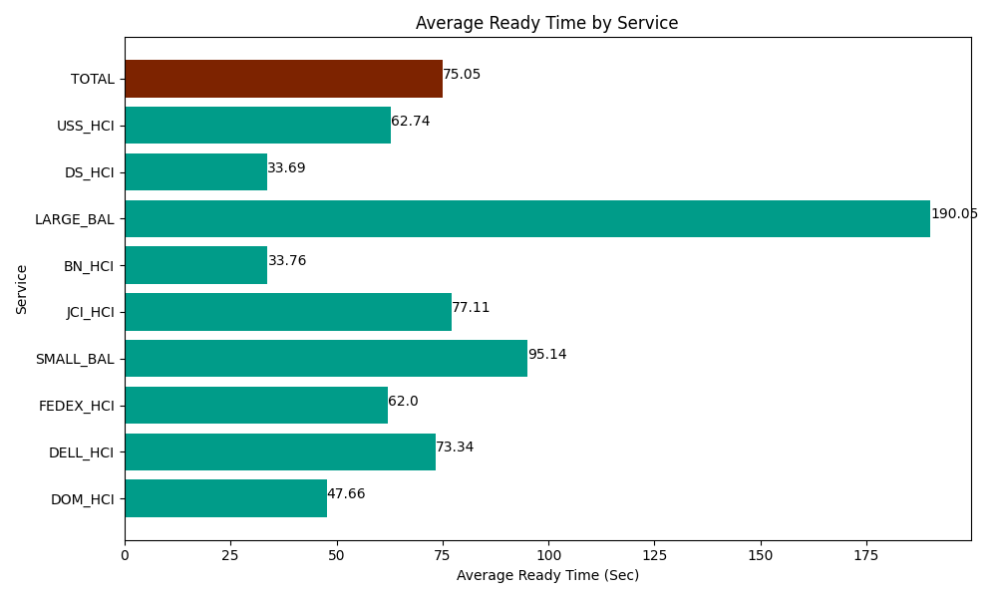
Date | Service | Successful Op Transfer | In Call (Sec) | Ready (Sec) | Wrapup (Sec) | Not Ready (Sec) | Average Ready Time (Sec)
05-29-2024 | DOM_HCI | 67 | 4789.8001099 | 3193.2000732 | 5701.1997986 | 651.00002289 | 47.66
05-29-2024 | DELL_HCI | 101 | 10717.800293 | 7406.9998169 | 42586.201172 | 9757.199707 | 73.34
05-29-2024 | FEDEX_HCI | 105 | 6526.1997986 | 6510 | 7063.8002014 | 7447.2001648 | 62
05-29-2024 | SMALL_BAL | 7 | 634.79999542 | 666.00002289 | 730.20000458 | 82.200000286 | 95.14
05-29-2024 | JCI_HCI | 133 | 12988.200073 | 10255.799561 | 12226.200256 | 2387.9999542 | 77.11
05-29-2024 | BN_HCI | 1083 | 56551.801758 | 36557.999268 | 89450.998535 | 39437.999268 | 33.76
05-29-2024 | LARGE_BAL | 4 | 154.19999599 | 760.20000458 | 197.99999714 | 147.00000286 | 190.05
05-29-2024 | DS_HCI | 565 | 35635.198975 | 19036.199341 | 50992.800293 | 63199.196777 | 33.69
05-29-2024 | USS_HCI | 267 | 40117.800293 | 16750.799561 | 37141.801758 | 21833.999634 | 62.74
 | TOTAL | 2332 | 168115.80129 | 101137.19765 | 246091.20202 | 144943.79553 | 75.05

